ks and lift
Decile | max_score | min_score | Non Target | Target | Total_Cust | Target Rate | Target % | Non Target % | Target cum % | Non Target cum % | Pred Decile dist | Baseline | ks_stats | lift
10 | 0.989151 | 0.86171 | 69 | 531 | 600 | 88.50% | 19% | 2.13% | 19.22 | 2.13 | 10% | 1 | 17.09 | 1.92
9 | 0.861574 | 0.789551 | 98 | 495 | 593 | 83.47% | 17.92% | 3.03% | 37.13 | 5.16 | 10% | 1 | 31.97 | 1.86
8 | 0.789425 | 0.489975 | 181 | 426 | 607 | 70.18% | 15.42% | 5.59% | 52.55 | 10.75 | 10% | 1 | 41.8 | 1.75
7 | 0.489905 | 0.428057 | 353 | 247 | 600 | 41.17% | 8.94% | 10.91% | 61.49 | 21.66 | 10% | 1 | 39.84 | 1.54
6 | 0.428014 | 0.375832 | 358 | 232 | 590 | 39.32% | 8.40% | 11.06% | 69.89 | 32.72 | 10% | 1 | 37.17 | 1.40
5 | 0.375819 | 0.348411 | 405 | 205 | 610 | 33.61% | 7.42% | 12.51% | 77.31 | 45.23 | 10% | 1 | 32.08 | 1.29
4 | 0.348142 | 0.323396 | 382 | 169 | 551 | 30.67% | 6.12% | 11.80% | 83.42 | 57.03 | 10% | 1 | 26.4 | 1.19
3 | 0.322706 | 0.279472 | 438 | 186 | 624 | 29.81% | 6.73% | 13.53% | 90.16 | 70.56 | 10% | 1 | 19.6 | 1.13
2 | 0.27863 | 0.253188 | 473 | 152 | 625 | 24.32% | 5.50% | 14.61% | 95.66 | 85.17 | 10% | 1 | 10.49 | 1.06
1 | 0.253009 | 0.034367 | 480 | 120 | 600 | 20.00% | 4.34% | 14.83% | 100 | 100 | 10% | 1 | 0 | 1.00
Total |  |  | 3237 | 2763 | 6000 |  |  |  |  |  |  |  | 41.8
Rank Ordered Graph
Target responses lift chart

logistic result
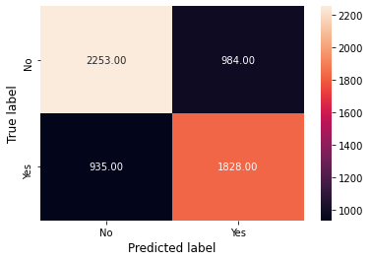
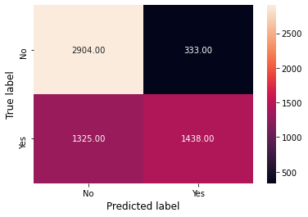
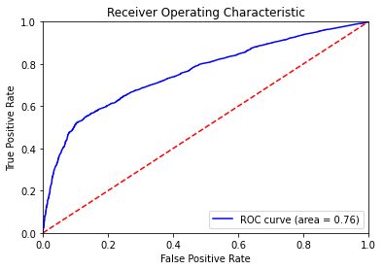
Modelling Division 70-30
In final model 9 variables are selected.
Using Sklearn
Prediction of test data
 | Precision | Recall | F1-score | Support
0 | 0.69 | 0.9 | 0.78 | 3237
1 | 0.81 | 0.52 | 0.63 | 2763

Accuracy |  |  | 0.72 | 6000
Macro avg | 0.75 | 0.71 | 0.71 | 6000
Weighted avg | 0.74 | 0.72 | 0.71 | 6000

Accuracy of model 0.724

Using Statsmodel
Logit Regression Results |  |  |  |  |  | Variables | coef | std err | z | P>|z| | [0.025 | 0.975]
 |  |  |  |  |  | max_dist_items_6to9 | 0.0699 | 0.026 | 2.731 | 0.006 | 0.02 | 0.12
Dep. Variable: | Y_var |  | No. Observations: |  | 14000 | avg_qty_per_trans_1to3 | 0.0841 | 0.022 | 3.815 | 0 | 0.041 | 0.127
Model: | Logit |  | Df Residuals: |  | 13991 | max_dist_items_3to6 | 0.1026 | 0.026 | 3.986 | 0 | 0.052 | 0.153
Method: | MLE |  | Df Model: |  | 8 | avg_qty_per_trans_9to12 | 0.0557 | 0.021 | 2.602 | 0.009 | 0.014 | 0.098
Date: | Fri, 12 Feb 2021 |  | Pseudo R-squ.: |  | 0.123 | max_dist_items_12 | 0.7162 | 0.043 | 16.582 | 0 | 0.632 | 0.801
Time: | 1:30:38 |  | Log-Likelihood: |  | -8490.2 | avg_qty_per_trans_12 | -0.5929 | 0.041 | -14.549 | 0 | -0.673 | -0.513
converged: | TRUE |  | LL-Null: |  | -9681.4 | IsOnlineCustomer | 0.6205 | 0.1 | 6.225 | 0 | 0.425 | 0.816
Covariance Type | nonrobust |  | LLR p-value: |  | 0 | OptIn | -0.2818 | 0.029 | -9.746 | 0 | -0.338 | -0.225
 |  |  |  |  |  | IsSportUser | 1.6266 | 0.051 | 31.62 | 0 | 1.526 | 1.727
Accuracy: | 0.68

